SUM
Wafer No | Temp |  | 1 | 3 | 5 | 10 | 15 | 20 | 25 | 30 | 40 | 50 | 60 | 75 | 80

7 | -55 | 12 | 1.2359166667 | 1.91775 | 2.0496666667 | 1.7535 | 1.7491666667 | 1.7595833333 | 1.7634166667 | 1.7755833333 | 1.79225 | 1.8059166667 | 1.8485 | 1.90225 | 1.932
7 | 25 | 12 | 1.1424166667 | 1.5336666667 | 1.5464166667 | 1.5683333333 | 1.5965833333 | 1.6394166667 | 1.6854166667 | 1.7345833333 | 1.8345833333 | 1.9335833333 | 2.03125 | 2.1731666667 | 2.2220833333
7 | 125 | 12 | 0.74568333333 | 0.98066666667 | 1.1215833333 | 1.3435833333 | 1.4925833333 | 1.6379166667 | 1.7501666667 | 1.8510833333 | 2.0321666667 | 2.1955833333 | 2.3485 | 2.5650833333 | 2.6364166667
7 | 150 | 12 | 0.656925 | 0.89508333333 | 1.0433333333 | 1.2875 | 1.46075 | 1.6234166667 | 1.7540833333 | 1.87225 | 2.08375 | 2.2740833333 | 2.4518333333 | 2.7038333333 | 2.7855
RJ29448, CN72
8 | -55 | 8 | 1.235875 | 1.90275 | 2.218125 | 1.78475 | 1.77925 | 1.793875 | 1.79675 | 1.81125 | 1.843875 | 1.8665 | 1.872 | 1.90475 | 1.933
8 | 25 | 8 | 1.149625 | 1.563125 | 1.56975 | 1.586875 | 1.613625 | 1.65575 | 1.7 | 1.747875 | 1.845875 | 1.94275 | 2.038875 | 2.17825 | 2.22575
8 | 125 | 8 | 0.72845 | 0.9624 | 1.1055 | 1.332625 | 1.486625 | 1.6385 | 1.755625 | 1.860125 | 2.04825 | 2.216375 | 2.373125 | 2.594875 | 2.66775
8 | 150 | 8 | 0.6540125 | 0.8923125 | 1.04025 | 1.285875 | 1.459875 | 1.622875 | 1.7545 | 1.873375 | 2.0855 | 2.275875 | 2.45325 | 2.703625 | 2.78475
15 | -55 | 11 | 1.1535454545 | 1.5732727273 | 1.7680909091 | 1.6477272727 | 1.6471818182 | 1.6585454545 | 1.6648181818 | 1.6749090909 | 1.7114545455 | 1.7655454545 | 1.8253636364 | 1.9166363636 | 1.9478181818
15 | 25 | 11 | 0.99390909091 | 1.2207272727 | 1.3201818182 | 1.4492727273 | 1.5426363636 | 1.6159090909 | 1.6832727273 | 1.7456363636 | 1.8605454545 | 1.9669090909 | 2.0697272727 | 2.2160909091 | 2.2663636364
15 | 125 | 11 | 0.72240909091 | 0.95894545455 | 1.1035454545 | 1.336 | 1.4980909091 | 1.652 | 1.7738181818 | 1.8832727273 | 2.0788181818 | 2.2542727273 | 2.4179090909 | 2.6484545455 | 2.7232727273
15 | 150 | 11 | 0.65336363636 | 0.8962 | 1.0453636364 | 1.2920909091 | 1.4662727273 | 1.6297272727 | 1.7620909091 | 1.8814545455 | 2.0961818182 | 2.2893636364 | 2.4692727273 | 2.7239090909 | 2.8062727273
18 | -55 | 10 | 1.2026 | 1.753 | 1.9778 | 1.662 | 1.6543 | 1.6656 | 1.6698 | 1.6801 | 1.6844 | 1.719 | 1.7714 | 1.8586 | 1.8886
18 | 25 | 11 | 1.1527272727 | 1.4976363636 | 1.5054545455 | 1.5223636364 | 1.5460909091 | 1.5971818182 | 1.6470909091 | 1.6995454545 | 1.804 | 1.9067272727 | 2.0078181818 | 2.1543636364 | 2.2042727273
18 | 125 | 10 | 0.72117 | 0.95833 | 1.1029 | 1.3309 | 1.4907 | 1.636 | 1.7553 | 1.8633 | 2.0579 | 2.2352 | 2.4017 | 2.6385 | 2.7161
18 | 150 | 9 | 0.65553333333 | 0.89671111111 | 1.0462222222 | 1.2937777778 | 1.4653333333 | 1.6287777778 | 1.7613333333 | 1.8814444444 | 2.0972222222 | 2.293 | 2.4763333333 | 2.7362222222 | 2.8206666667
20 | -55 | 11 | 1.1983636364 | 1.7725454545 | 1.9695454545 | 1.6432727273 | 1.6351818182 | 1.6503636364 | 1.6573636364 | 1.6700909091 | 1.687 | 1.7320909091 | 1.7609090909 | 1.8481818182 | 1.8780909091
20 | 25 | 11 | 1.0681818182 | 1.3535454545 | 1.4012727273 | 1.4611818182 | 1.5123636364 | 1.5799090909 | 1.6384545455 | 1.6953636364 | 1.804 | 1.9085454545 | 2.0092727273 | 2.1546363636 | 2.2041818182
20 | 125 | 10 | 0.69788 | 0.93159 | 1.0753 | 1.3077 | 1.4719 | 1.623 | 1.7451 | 1.8552 | 2.0519 | 2.2293 | 2.3953 | 2.6301 | 2.7067
20 | 150 | 10 | 0.64081 | 0.87917 | 1.0282 | 1.2757 | 1.4523 | 1.6164 | 1.7501 | 1.8705 | 2.0874 | 2.2827 | 2.4652 | 2.7236 | 2.8073

plots
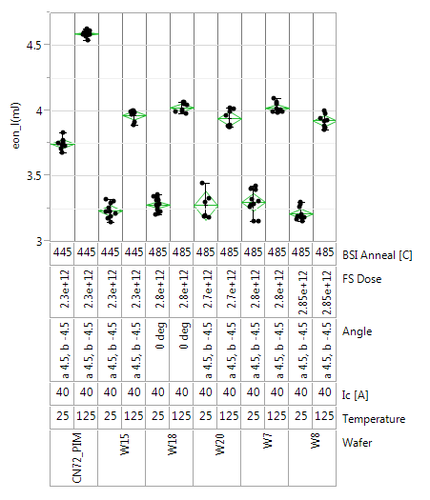
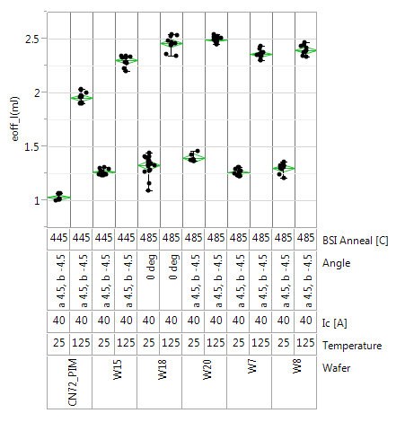
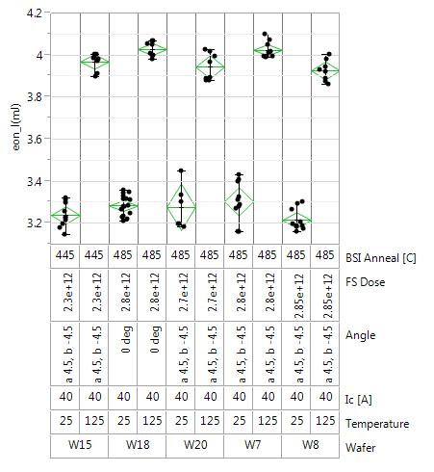
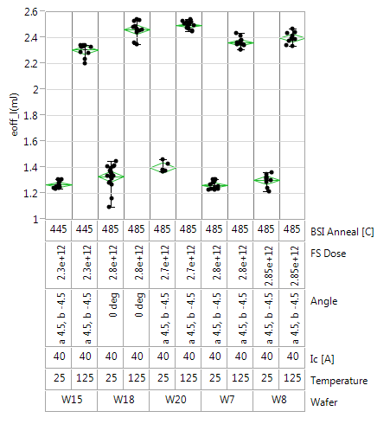
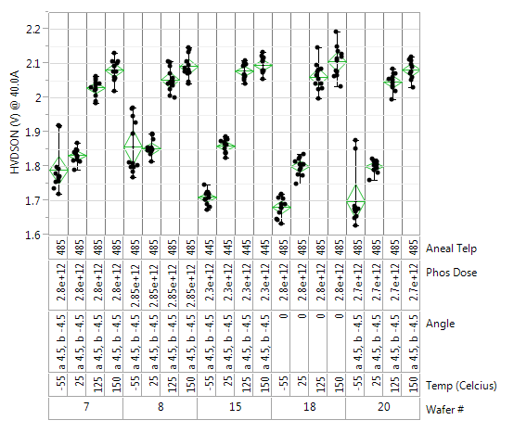
RJ29448, CN72
 | W15_25C |  | W15_150C |  | W20_25C |  | W20_150C |  | W18_25C |  | W18_150C |  | W8_25C |  | W8_150C |  | W7_25C |  | W7_150C
0.99390909091 | 1 | 0.65336363636 | 1 | 1.0681818182 | 1 | 0.64081 | 1 | 1.1527272727 | 1 | 0.65553333333 | 1 | 1.149625 | 1 | 0.6540125 | 1 | 1.1424166667 | 1 | 0.656925 | 1
1.2207272727 | 3 | 0.8962 | 3 | 1.3535454545 | 3 | 0.87917 | 3 | 1.4976363636 | 3 | 0.89671111111 | 3 | 1.563125 | 3 | 0.8923125 | 3 | 1.5336666667 | 3 | 0.89508333333 | 3
1.3201818182 | 5 | 1.0453636364 | 5 | 1.4012727273 | 5 | 1.0282 | 5 | 1.5054545455 | 5 | 1.0462222222 | 5 | 1.56975 | 5 | 1.04025 | 5 | 1.5464166667 | 5 | 1.0433333333 | 5
1.4492727273 | 10 | 1.2920909091 | 10 | 1.4611818182 | 10 | 1.2757 | 10 | 1.5223636364 | 10 | 1.2937777778 | 10 | 1.586875 | 10 | 1.285875 | 10 | 1.5683333333 | 10 | 1.2875 | 10
1.5426363636 | 15 | 1.4662727273 | 15 | 1.5123636364 | 15 | 1.4523 | 15 | 1.5460909091 | 15 | 1.4653333333 | 15 | 1.613625 | 15 | 1.459875 | 15 | 1.5965833333 | 15 | 1.46075 | 15
1.6159090909 | 20 | 1.6297272727 | 20 | 1.5799090909 | 20 | 1.6164 | 20 | 1.5971818182 | 20 | 1.6287777778 | 20 | 1.65575 | 20 | 1.622875 | 20 | 1.6394166667 | 20 | 1.6234166667 | 20
1.6832727273 | 25 | 1.7620909091 | 25 | 1.6384545455 | 25 | 1.7501 | 25 | 1.6470909091 | 25 | 1.7613333333 | 25 | 1.7 | 25 | 1.7545 | 25 | 1.6854166667 | 25 | 1.7540833333 | 25
1.7456363636 | 30 | 1.8814545455 | 30 | 1.6953636364 | 30 | 1.8705 | 30 | 1.6995454545 | 30 | 1.8814444444 | 30 | 1.747875 | 30 | 1.873375 | 30 | 1.7345833333 | 30 | 1.87225 | 30
1.8605454545 | 40 | 2.0961818182 | 40 | 1.804 | 40 | 2.0874 | 40 | 1.804 | 40 | 2.0972222222 | 40 | 1.845875 | 40 | 2.0855 | 40 | 1.8345833333 | 40 | 2.08375 | 40
1.9669090909 | 50 | 2.2893636364 | 50 | 1.9085454545 | 50 | 2.2827 | 50 | 1.9067272727 | 50 | 2.293 | 50 | 1.94275 | 50 | 2.275875 | 50 | 1.9335833333 | 50 | 2.2740833333 | 50
2.0697272727 | 60 | 2.4692727273 | 60 | 2.0092727273 | 60 | 2.4652 | 60 | 2.0078181818 | 60 | 2.4763333333 | 60 | 2.038875 | 60 | 2.45325 | 60 | 2.03125 | 60 | 2.4518333333 | 60
2.2160909091 | 75 | 2.7239090909 | 75 | 2.1546363636 | 75 | 2.7236 | 75 | 2.1543636364 | 75 | 2.7362222222 | 75 | 2.17825 | 75 | 2.703625 | 75 | 2.1731666667 | 75 | 2.7038333333 | 75
2.2663636364 | 80 | 2.8062727273 | 80 | 2.2041818182 | 80 | 2.8073 | 80 | 2.2042727273 | 80 | 2.8206666667 | 80 | 2.22575 | 80 | 2.78475 | 80 | 2.2220833333 | 80 | 2.7855 | 80
RJ29448, CN72
 | W15_25C |  | W15_125C |  | W20_25C |  | W20_125C |  | W18_25C |  | W18_125C |  | W8_25C |  | W8_125C |  | W7_25C |  | W7_125C
0.99390909091 | 1 | 0.72240909091 | 1 | 1.0681818182 | 1 | 0.69788 | 1 | 1.1527272727 | 1 | 0.72117 | 1 | 1.149625 | 1 | 0.72845 | 1 | 1.1424166667 | 1 | 0.74568333333 | 1
1.2207272727 | 3 | 0.95894545455 | 3 | 1.3535454545 | 3 | 0.93159 | 3 | 1.4976363636 | 3 | 0.95833 | 3 | 1.563125 | 3 | 0.9624 | 3 | 1.5336666667 | 3 | 0.98066666667 | 3
1.3201818182 | 5 | 1.1035454545 | 5 | 1.4012727273 | 5 | 1.0753 | 5 | 1.5054545455 | 5 | 1.1029 | 5 | 1.56975 | 5 | 1.1055 | 5 | 1.5464166667 | 5 | 1.1215833333 | 5
1.4492727273 | 10 | 1.336 | 10 | 1.4611818182 | 10 | 1.3077 | 10 | 1.5223636364 | 10 | 1.3309 | 10 | 1.586875 | 10 | 1.332625 | 10 | 1.5683333333 | 10 | 1.3435833333 | 10
1.5426363636 | 15 | 1.4980909091 | 15 | 1.5123636364 | 15 | 1.4719 | 15 | 1.5460909091 | 15 | 1.4907 | 15 | 1.613625 | 15 | 1.486625 | 15 | 1.5965833333 | 15 | 1.4925833333 | 15
1.6159090909 | 20 | 1.652 | 20 | 1.5799090909 | 20 | 1.623 | 20 | 1.5971818182 | 20 | 1.636 | 20 | 1.65575 | 20 | 1.6385 | 20 | 1.6394166667 | 20 | 1.6379166667 | 20
1.6832727273 | 25 | 1.7738181818 | 25 | 1.6384545455 | 25 | 1.7451 | 25 | 1.6470909091 | 25 | 1.7553 | 25 | 1.7 | 25 | 1.755625 | 25 | 1.6854166667 | 25 | 1.7501666667 | 25
1.7456363636 | 30 | 1.8832727273 | 30 | 1.6953636364 | 30 | 1.8552 | 30 | 1.6995454545 | 30 | 1.8633 | 30 | 1.747875 | 30 | 1.860125 | 30 | 1.7345833333 | 30 | 1.8510833333 | 30
1.8605454545 | 40 | 2.0788181818 | 40 | 1.804 | 40 | 2.0519 | 40 | 1.804 | 40 | 2.0579 | 40 | 1.845875 | 40 | 2.04825 | 40 | 1.8345833333 | 40 | 2.0321666667 | 40
1.9669090909 | 50 | 2.2542727273 | 50 | 1.9085454545 | 50 | 2.2293 | 50 | 1.9067272727 | 50 | 2.2352 | 50 | 1.94275 | 50 | 2.216375 | 50 | 1.9335833333 | 50 | 2.1955833333 | 50
2.0697272727 | 60 | 2.4179090909 | 60 | 2.0092727273 | 60 | 2.3953 | 60 | 2.0078181818 | 60 | 2.4017 | 60 | 2.038875 | 60 | 2.373125 | 60 | 2.03125 | 60 | 2.3485 | 60
2.2160909091 | 75 | 2.6484545455 | 75 | 2.1546363636 | 75 | 2.6301 | 75 | 2.1543636364 | 75 | 2.6385 | 75 | 2.17825 | 75 | 2.594875 | 75 | 2.1731666667 | 75 | 2.5650833333 | 75
2.2663636364 | 80 | 2.7232727273 | 80 | 2.2041818182 | 80 | 2.7067 | 80 | 2.2042727273 | 80 | 2.7161 | 80 | 2.22575 | 80 | 2.66775 | 80 | 2.2220833333 | 80 | 2.6364166667 | 80
RJ29448, CN72
 | W15_25C |  | W20_25C |  | W18_25C |  | W8_25C |  | W7_25C
0.99390909091 | 1 | 1.0681818182 | 1 | 1.1527272727 | 1 | 1.149625 | 1 | 1.1424166667 | 1
1.2207272727 | 3 | 1.3535454545 | 3 | 1.4976363636 | 3 | 1.563125 | 3 | 1.5336666667 | 3
1.3201818182 | 5 | 1.4012727273 | 5 | 1.5054545455 | 5 | 1.56975 | 5 | 1.5464166667 | 5
1.4492727273 | 10 | 1.4611818182 | 10 | 1.5223636364 | 10 | 1.586875 | 10 | 1.5683333333 | 10
1.5426363636 | 15 | 1.5123636364 | 15 | 1.5460909091 | 15 | 1.613625 | 15 | 1.5965833333 | 15
1.6159090909 | 20 | 1.5799090909 | 20 | 1.5971818182 | 20 | 1.65575 | 20 | 1.6394166667 | 20
1.6832727273 | 25 | 1.6384545455 | 25 | 1.6470909091 | 25 | 1.7 | 25 | 1.6854166667 | 25
1.7456363636 | 30 | 1.6953636364 | 30 | 1.6995454545 | 30 | 1.747875 | 30 | 1.7345833333 | 30
1.8605454545 | 40 | 1.804 | 40 | 1.804 | 40 | 1.845875 | 40 | 1.8345833333 | 40
1.9669090909 | 50 | 1.9085454545 | 50 | 1.9067272727 | 50 | 1.94275 | 50 | 1.9335833333 | 50
2.0697272727 | 60 | 2.0092727273 | 60 | 2.0078181818 | 60 | 2.038875 | 60 | 2.03125 | 60
2.2160909091 | 75 | 2.1546363636 | 75 | 2.1543636364 | 75 | 2.17825 | 75 | 2.1731666667 | 75
2.2663636364 | 80 | 2.2041818182 | 80 | 2.2042727273 | 80 | 2.22575 | 80 | 2.2220833333 | 80
RJ29448, CN72
 | W15_150C |  | W20_150C |  | W18_150C |  | W8_150C |  | W7_150C
0.65336363636 | 1 | 0.64081 | 1 | 0.65553333333 | 1 | 0.6540125 | 1 | 0.656925 | 1
0.8962 | 3 | 0.87917 | 3 | 0.89671111111 | 3 | 0.8923125 | 3 | 0.89508333333 | 3
1.0453636364 | 5 | 1.0282 | 5 | 1.0462222222 | 5 | 1.04025 | 5 | 1.0433333333 | 5
1.2920909091 | 10 | 1.2757 | 10 | 1.2937777778 | 10 | 1.285875 | 10 | 1.2875 | 10
1.4662727273 | 15 | 1.4523 | 15 | 1.4653333333 | 15 | 1.459875 | 15 | 1.46075 | 15
1.6297272727 | 20 | 1.6164 | 20 | 1.6287777778 | 20 | 1.622875 | 20 | 1.6234166667 | 20
1.7620909091 | 25 | 1.7501 | 25 | 1.7613333333 | 25 | 1.7545 | 25 | 1.7540833333 | 25
1.8814545455 | 30 | 1.8705 | 30 | 1.8814444444 | 30 | 1.873375 | 30 | 1.87225 | 30
2.0961818182 | 40 | 2.0874 | 40 | 2.0972222222 | 40 | 2.0855 | 40 | 2.08375 | 40
2.2893636364 | 50 | 2.2827 | 50 | 2.293 | 50 | 2.275875 | 50 | 2.2740833333 | 50
2.4692727273 | 60 | 2.4652 | 60 | 2.4763333333 | 60 | 2.45325 | 60 | 2.4518333333 | 60
2.7239090909 | 75 | 2.7236 | 75 | 2.7362222222 | 75 | 2.703625 | 75 | 2.7038333333 | 75
2.8062727273 | 80 | 2.8073 | 80 | 2.8206666667 | 80 | 2.78475 | 80 | 2.7855 | 80

